Table1
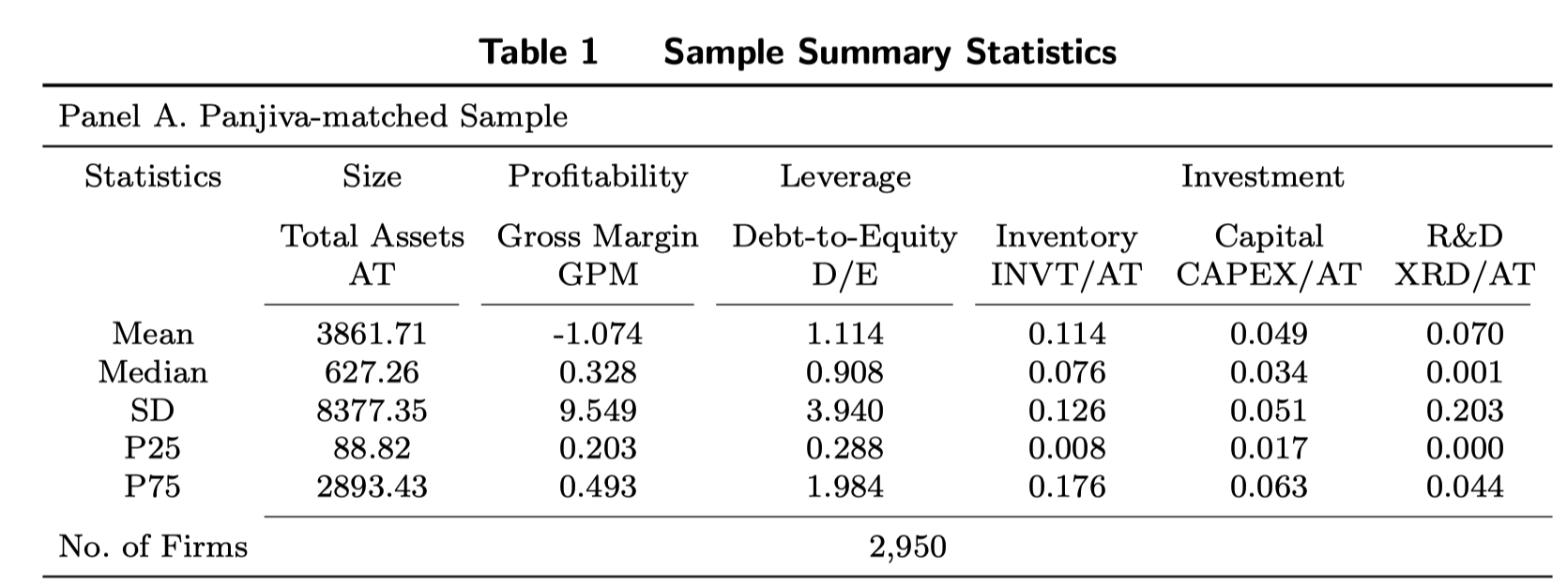
Table 1 Sample Summary Statistics
Panel A. Panjiva-matched Sample
Statistics | Size | Profitability | Leverage | Investment
 | Total Assets AT | Gross Margin GPM | Debt-to-Equity D/E | Inventory InvI/AT | Capital CAPEX/AT | R&D XRD/AT
Mean | 3933.822 | 0.368 | 1.467 | 0.163 | 0.041 | 0.033
Median | 2527.4 | 0.354 | 1.113 | 0.131 | 0.032 | 0.016
SD | 3533.6 | 0.226 | 2.812 | 0.123 | 0.034 | 0.051
P25 | 603.151 | 0.25 | 0.583 | 0.08 | 0.019 | 0.003
P75 | 8701.343 | 0.467 | 1.938 | 0.215 | 0.052 | 0.041
No. of Firms | 1264

Table2
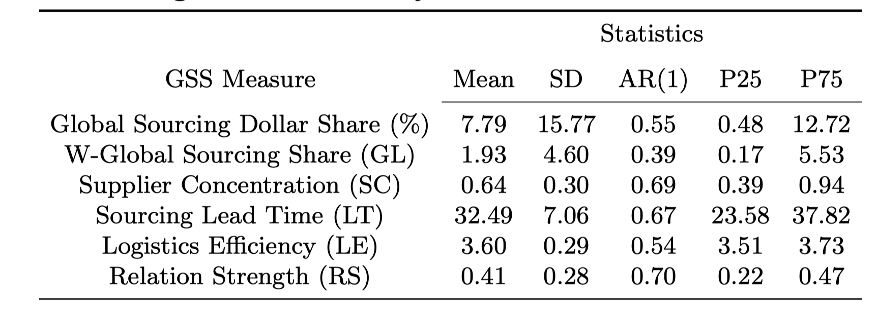
Global Sourcing Measures: Summary Statistics and Correlation with Firm Characteristics
 | Statistics
GSS Measure | Mean | SD | Median | P25 | P75
Global Sourcing Dollar Share (%)
W-Global Sourcing Share (GL) | 2.996 | 4.407 | 0.601 | 0.097 | 3.799
Supplier Concentration (SC) | 1 | 0 | 1 | 1 | 1
Sourcing Lead Time (LT)
Logistics Eﬃciency (LE) | 2.275 | 1.731 | 3.322 | 0.012 | 3.694
Relation Strength (RS) | 0.366 | 0.336 | 0.267 | 0.182 | 0.4

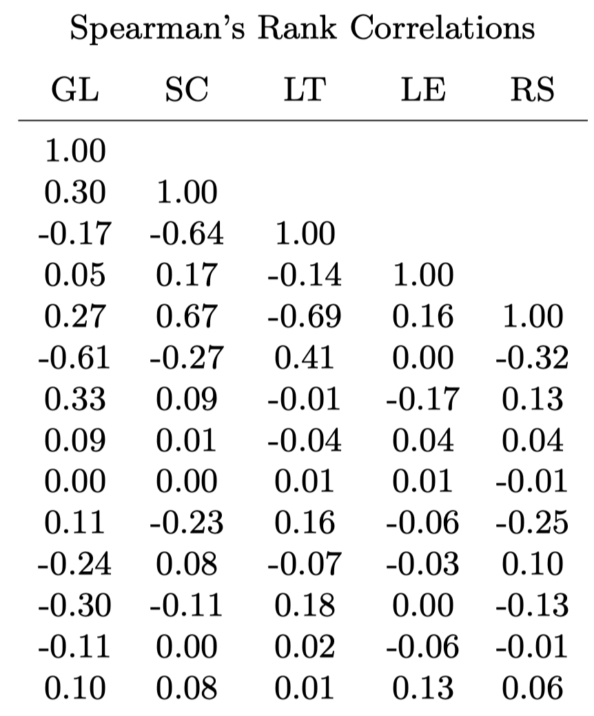
 | Spearman’s Rank Correlations
 | GL | SC | LT | LE | RS
GL | 1 |  |  |  |  | GL
SC | - | 1 |  |  |  | SC
LT | - | - | 1 |  |  | LT
LE | 0.002 | - | - | 1 |  | LE
RS | -0.153 | 0.002 | - | -0.035 | 1 | RS
Size | -0.187 |  |  | -0.033 | -0.093 | Size
BM | 0.029 |  |  | 0.095 | -0.008 | BM
GPM | 0.051 |  |  | -0.026 | 0.006 | GPM
Accrual | 0.03 |  |  | 0.042 | -0.002 | Accrual
InvI | 0.166 |  |  | -0.028 | -0.06 | InvI
InvT | -0.245 |  |  | 0.032 | 0.025 | InvT
Leverage | -0.085 |  |  | -0.045 | -0.063 | Leverage
CAPEXI | -0.039 |  |  | 0.035 | -0.037 | CAPEXI
RDI | -0.109 |  |  | 0.089 | 0.1 | RDI

Table3
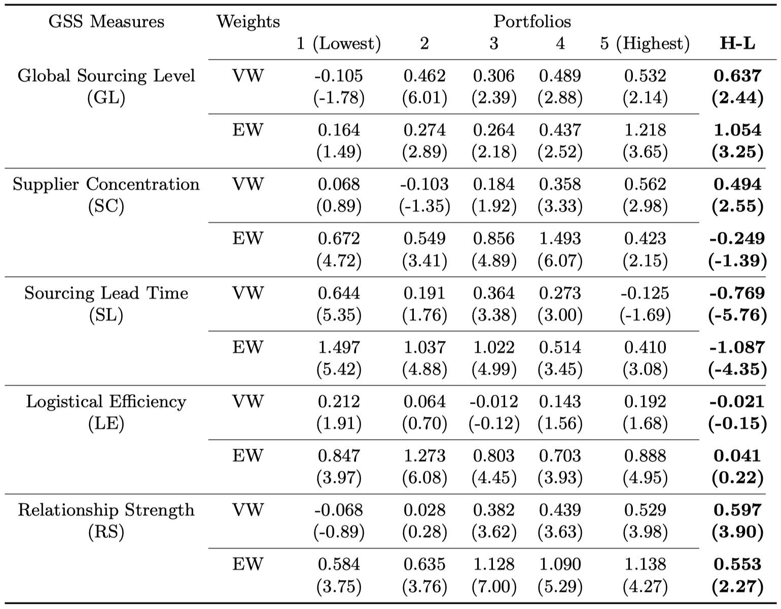
Table 3 Univariate Portfolio Sorting Results
GSS Measures |  | Portfolios
 | Weight | 1 | 2 | 3 | 4 | 5 | H-L
Global Sourcing Level (GL) | VW | 0.694 | 0.745 | 0.796 | 0.756 | 0.75 | 0.056
 |  | (1.4) | (1.5) | (1.68) | (1.55) | (1.53) | (2.18)
 | EW | 0.626 | 0.672 | 0.729 | 0.687 | 0.68 | 0.053
 |  | (0.98) | (1.05) | (1.19) | (1.09) | (1.08) | (1.83)
Supplier Concentration (SC) | VW

 | EW

Sourcing Lead Time (SL) | VW

 | EW

Logistical Efficiency (LE) | VW | 0.234 | 0.62 | 0.245 | 1.075 | 0.419 | 0.184
 |  | (0.34) | (0.64) | (0.52) | (1.14) | (0.63) | (0.4)
 | EW | 0.352 | 0.923 | 0.207 | 1.009 | 0.557 | 0.205
 |  | (0.44) | (0.77) | (0.31) | (0.83) | (0.64) | (0.43)
Relationship Strength (RS) | VW | 0.297 | 0.845 | 0.527 | 0.773 | 0.755 | 0.458
 |  | (0.33) | (1.67) | (0.89) | (1.7) | (1.62) | (0.94)
 | EW | 0.167 | 0.83 | 0.439 | 0.703 | 0.684 | 0.517
 |  | (0.16) | (1.21) | (0.56) | (1.12) | (1.13) | (0.96)

Table5
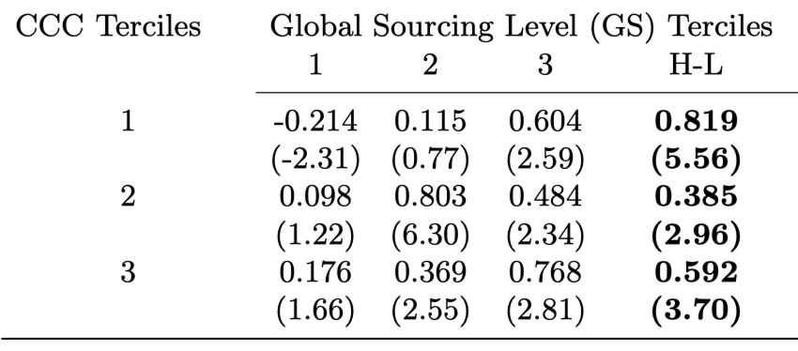
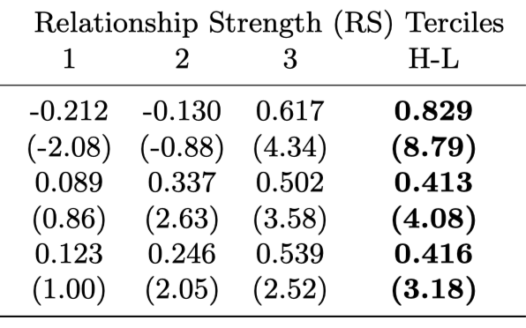
Table 5 Double Sort Results: Cash Conversion Cycle, CCC
CCC Terciles | Global Sourcing Share (GL) |  |  |  | Logistical Efficiency (LE) |  |  |  | Relationship Strength (RS)
 | 1 | 2 | 3 | H-L | 1 | 2 | 3 | H-L | 1 | 2 | 3 | H-L
1 | 0.136 | 0.475 | 0.75 | 0.614 | 0.199 | 4.793 | 0.415 | 0.216 | 3.105 | 1.006 | 0.761 | -2.344
 | (-6.64) | (-7.43) | (-8.94) |  | (-1.12) | (-0.93) | (-2.51) |  | (-0.37) | (-0.16) | (-3.41)
2 | 0.056 | 0.063 | 0.761 | 0.705 | -8.037 | 0.113 | 0.39 | 8.427 | 0.519 | 0.574 | 0.729 | 0.21
 | (-2.73) | (-4.77) | (-6.18) |  | (-6.88) | (-3.08) | (-3.96) |  | (-0.04) | (-0.04) | (-1.62)
3 | 0.013 | 0.156 | 0.758 | 0.745 | 0.975 | -0.47 | 0.606 | -0.369 | 0.869 | 0.115 | 0.726 | -0.143
 | (-4.53) | (-1.2) | (-5.43) |  | (-0.05) | (-0.02) | (-0.18) |  | (-1.09) | (-1.46) | (-6.68)

Table6
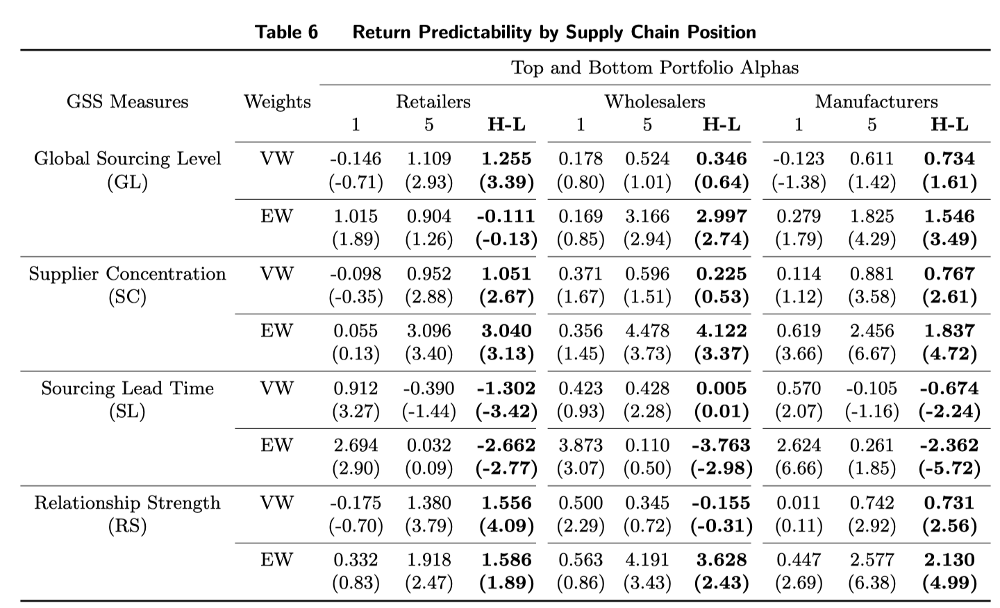
Table 6 Return Predictability by Supply Chain Position
GSS Measures | Weight | Retailers |  |  | Wholesalers |  |  | Manufacturers
 |  | 1 | 5 | H-L | 1 | 5 | H-L | 1 | 5 | H-L
Global Sourcing Level (GL) | vw | 0.51 | -0.794 | -1.304 | 0.853 | 0.268 | -0.585 | 0.746 | 0.711 | -0.035
 |  | (-1.73) | (-2.39) |  | (-0.77) | (-1.11) |  | (-5.78) | (-1.38)
 | ew | 0.559 | 1.457 | 0.898 | 0.777 | -0.003 | -0.78 | 0.676 | 0.525 | -0.151
 |  | (-0.97) | (-2.01) |  | (-0.52) | (-0.77) |  | (-3.62) | (-0.65)
Logistical Efficiency (LE) | vw | 0.657 | 1.162 | 0.505 | -8.102 | -0.18 | 7.922 | 0.269 | 0.384 | 0.115
 |  | (-0.82) | (-0.08) |  | (-0.51) | (-0.18) |  | (-2.03) | (-0.06)
 | ew | 0.708 | 2.308 | 1.6 | -9.888 | 0.426 | 10.314 | 0.367 | 0.572 | 0.205
 |  | (-0.78) | (-0.09) |  | (-0.51) | (-0.27) |  | (-1.6) | (-0.02)
Relationship Strength (RS) | vw | 0.934 | 0.766 | -0.168 | -1.351 | 3.183 | 4.534 | 0.733 | -0.138 | -0.871
 |  | (-0.87) | (-1.72) |  | (-0.15) | (-0.66) |  | (-2.39) | (-4.57)
 | ew | 0.797 | 0.706 | -0.091 | -1.916 | 4.455 | 6.371 | 0.667 | -0.318 | -0.985
 |  | (-0.63) | (-1.09) |  | (-0.02) | (-0.43) |  | (-1.56) | (-2.95)

